Metrics and Plots
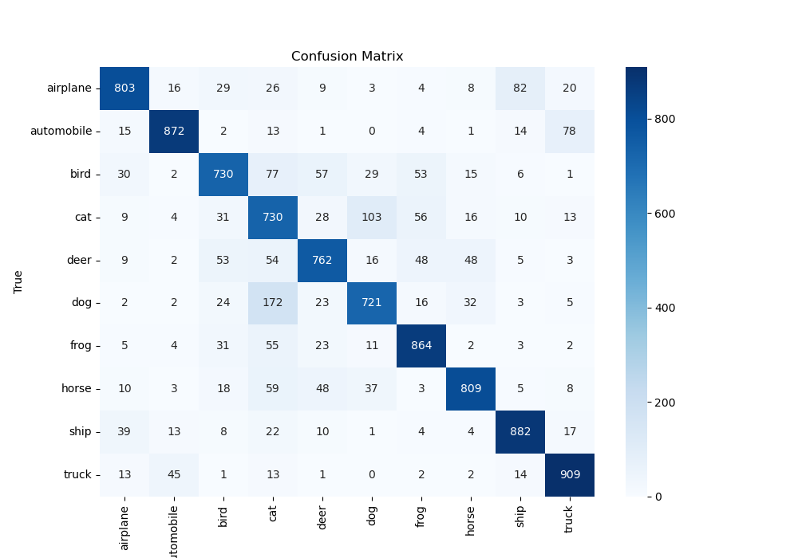
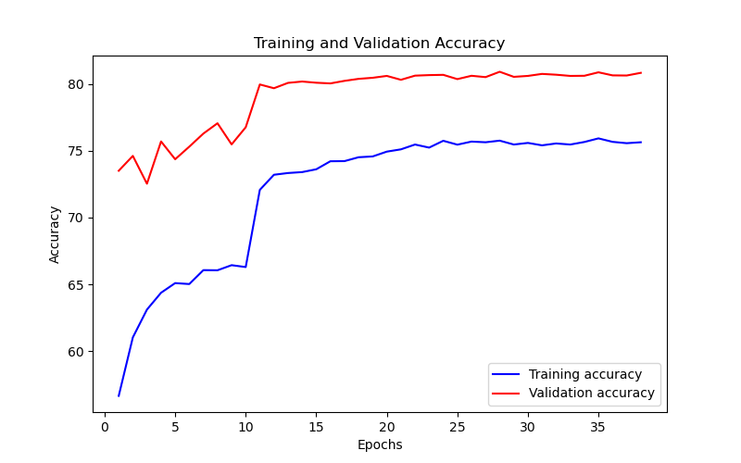
Epoch | Train Accuracy | Train Loss | Validation Accuracy | Validation Loss
1 | 56.67 | 1.181 | 73.5 | 0.808
2 | 61.04 | 1.116 | 74.61 | 0.781
3 | 63.12 | 1.078 | 72.53 | 0.825
4 | 64.38 | 1.068 | 75.69 | 0.747
5 | 65.1 | 1.045 | 74.36 | 0.8
6 | 65.03 | 1.062 | 75.3 | 0.761
7 | 66.07 | 0.997 | 76.28 | 0.72
8 | 66.06 | 0.993 | 77.05 | 0.727
9 | 66.44 | 1.012 | 75.47 | 0.75
10 | 66.3 | 1.012 | 76.75 | 0.735
11 | 72.07 | 0.802 | 79.95 | 0.644
12 | 73.2 | 0.781 | 79.67 | 0.633
13 | 73.33 | 0.791 | 80.07 | 0.626
14 | 73.4 | 0.799 | 80.17 | 0.624
15 | 73.61 | 0.781 | 80.08 | 0.623
16 | 74.21 | 0.748 | 80.03 | 0.619
17 | 74.22 | 0.761 | 80.22 | 0.611
18 | 74.51 | 0.771 | 80.37 | 0.614
19 | 74.57 | 0.729 | 80.45 | 0.608
20 | 74.93 | 0.737 | 80.59 | 0.61
21 | 75.1 | 0.732 | 80.3 | 0.605
22 | 75.46 | 0.719 | 80.61 | 0.603
23 | 75.23 | 0.725 | 80.65 | 0.601
24 | 75.74 | 0.719 | 80.67 | 0.605
25 | 75.45 | 0.702 | 80.35 | 0.605
26 | 75.68 | 0.731 | 80.6 | 0.6
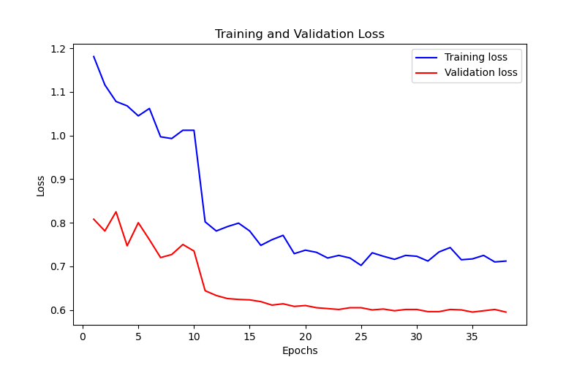
27 | 75.63 | 0.723 | 80.5 | 0.602
28 | 75.75 | 0.716 | 80.9 | 0.598
29 | 75.46 | 0.725 | 80.52 | 0.601
30 | 75.58 | 0.723 | 80.59 | 0.601
31 | 75.4 | 0.712 | 80.74 | 0.596
32 | 75.54 | 0.733 | 80.68 | 0.596
33 | 75.46 | 0.743 | 80.59 | 0.601
34 | 75.65 | 0.715 | 80.6 | 0.6
35 | 75.92 | 0.717 | 80.86 | 0.595
36 | 75.66 | 0.725 | 80.63 | 0.598
37 | 75.56 | 0.71 | 80.62 | 0.601
38 | 75.63 | 0.712 | 80.82 | 0.595

